Parâmetros
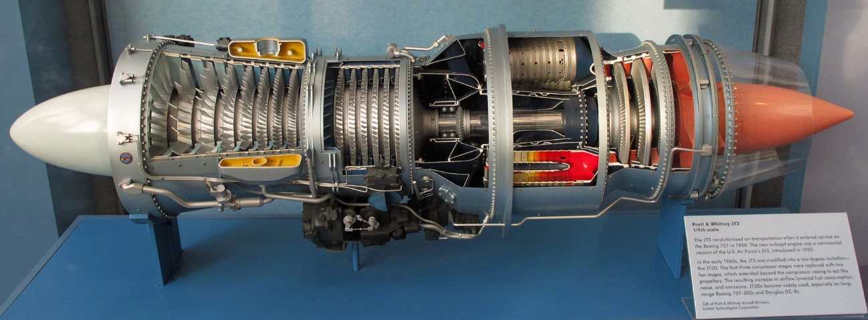
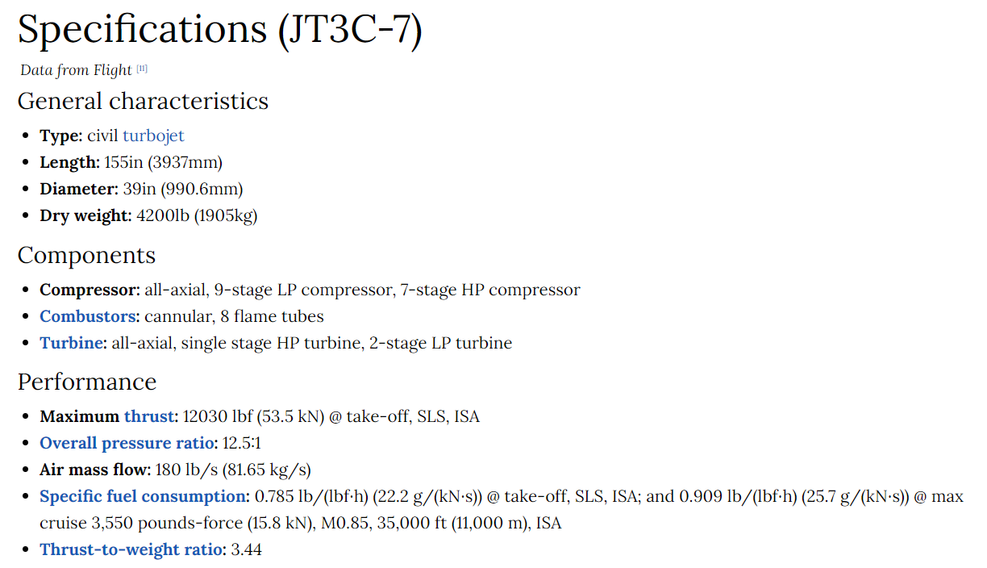

International Standard Atmosphere (ISA)
Sea Level Static (SLS)

Planilha1
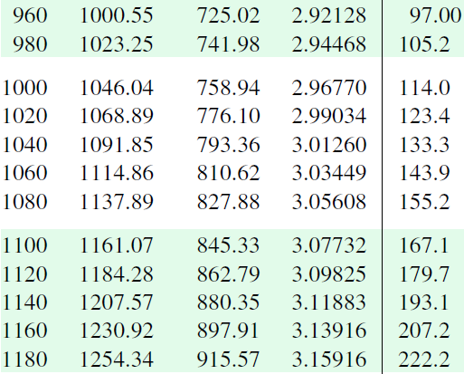

T [K] | h [kJ/kg]
960 | 1000.55 | 1000.14
980 | 1023.25 | 1023.15
1000 | 1046.04 | 1046.15
1020 | 1068.89 | 1069.15
1040 | 1091.85 | 1092.16
1060 | 1114.86 | 1115.16
1080 | 1137.89 | 1138.17
1100 | 1161.07 | 1161.17
1120 | 1184.28 | 1184.17
1140 | 1207.57 | 1207.18

T [K] | pr(T)
960 | 97 | 93.25
980 | 105.2 | 103.90
1000 | 114 | 114.56
1020 | 123.4 | 125.21
1040 | 133.3 | 135.87
1060 | 143.9 | 146.52
1080 | 155.2 | 157.17
1100 | 167.1 | 167.83
1120 | 179.7 | 178.48
1140 | 193.1 | 189.14

